Sheet1
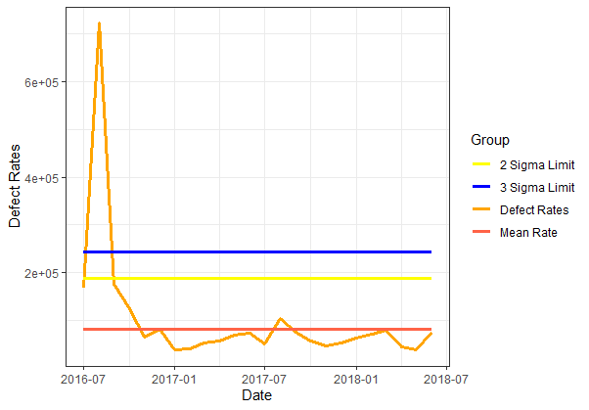
Product | Month ID | Defect Rates | Mean Rate | 2 Sigma Limit | 3 Sigma Limit | Opportunities | Defects
Product A | 2016/07 | 166666.66667 | 81319.08913 | 188681.9093 | 242363.31938 | 222 | 37
Product A | 2016/08 | 722222.22222 | 81319.08913 | 188681.9093 | 242363.31938 | 36 | 26
Product A | 2016/09 | 176000 | 81319.08913 | 188681.9093 | 242363.31938 | 375 | 66
Product A | 2016/10 | 123481.78138 | 81319.08913 | 188681.9093 | 242363.31938 | 494 | 61
Product A | 2016/11 | 65283.917035 | 81319.08913 | 188681.9093 | 242363.31938 | 980.33333333 | 64
Product A | 2016/12 | 80143.847932 | 81319.08913 | 188681.9093 | 242363.31938 | 1297.6666667 | 104
Product A | 2017/01 | 37521.815009 | 81319.08913 | 188681.9093 | 242363.31938 | 2292 | 86
Product A | 2017/02 | 40087.264794 | 81319.08913 | 188681.9093 | 242363.31938 | 2444.6666667 | 98
Product A | 2017/03 | 52838.368785 | 81319.08913 | 188681.9093 | 242363.31938 | 2460.3333333 | 130
Product A | 2017/04 | 56653.723968 | 81319.08913 | 188681.9093 | 242363.31938 | 1888.6666667 | 107
Product A | 2017/05 | 69599.587558 | 81319.08913 | 188681.9093 | 242363.31938 | 1939.6666667 | 135
Product A | 2017/06 | 72710.538426 | 81319.08913 | 188681.9093 | 242363.31938 | 2173 | 158
Product A | 2017/07 | 51146.38448 | 81319.08913 | 188681.9093 | 242363.31938 | 2268 | 116
Product A | 2017/08 | 103290.67642 | 81319.08913 | 188681.9093 | 242363.31938 | 2188 | 226
Product A | 2017/09 | 74369.38243 | 81319.08913 | 188681.9093 | 242363.31938 | 2299.3333333 | 171
Product A | 2017/10 | 56389.267849 | 81319.08913 | 188681.9093 | 242363.31938 | 2199 | 124
Product A | 2017/11 | 46795.123869 | 81319.08913 | 188681.9093 | 242363.31938 | 2543 | 119
Product A | 2017/12 | 52524.283487 | 81319.08913 | 188681.9093 | 242363.31938 | 2779.6666667 | 146
Product A | 2018/01 | 62822.315987 | 81319.08913 | 188681.9093 | 242363.31938 | 2133 | 134
Product A | 2018/02 | 70132.266995 | 81319.08913 | 188681.9093 | 242363.31938 | 2167.3333333 | 152
Product A | 2018/03 | 79303.374281 | 81319.08913 | 188681.9093 | 242363.31938 | 2143.6666667 | 170
Product A | 2018/04 | 44345.377757 | 81319.08913 | 188681.9093 | 242363.31938 | 2841.3333333 | 126
Product A | 2018/05 | 38115.103821 | 81319.08913 | 188681.9093 | 242363.31938 | 3515.6666667 | 134
Product A | 2018/06 | 75591.041062 | 81319.08913 | 188681.9093 | 242363.31938 | 3214.6666667 | 243

Chart 1

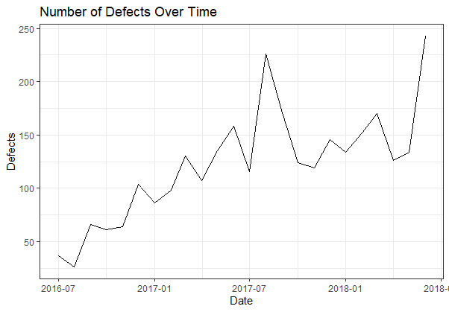

Chart 2

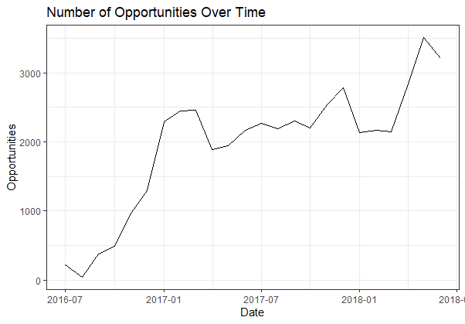

Chart 3

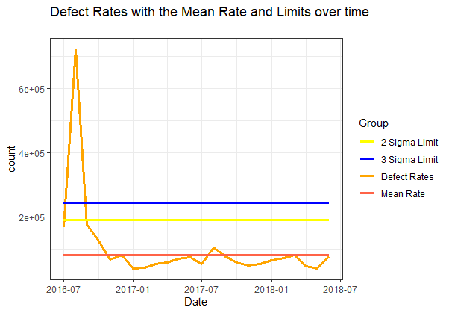

Chart 4

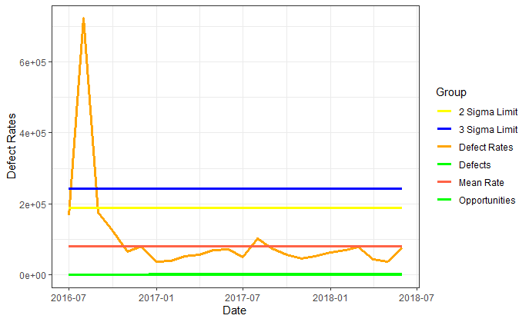

TASK 5

